Contents
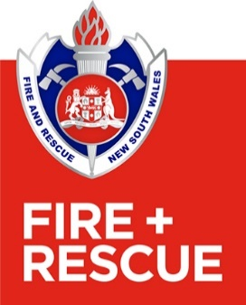
 | Data Tables Content

 | Definitions for the statistics and counts in these data tables are in the Definitions Section.
 | Data reported in the data tables are the most accurate available at the time of publication. Historical data may have been updated since the last edition of these Tables previously published in the Fire and Rescue NSW Annual Report.

Table 1. | Time series by Number and Type of Incidents and Emergencies Attended
Table 2. 17-18 | Local Government Area by Type of Incident 2017-18
Table 2.18-19 | Local Government Area by Type of Incident 2018-19
Table 2. 19-20 | Local Government Area by Type of Incident 2019-20
Table 2. 20-21 | Local Government Area by Type of Incident 2020-21
Table 2. 21-22 | Local Government Area by Type of Incident 2021-22
Table 2. 22-23 | Local Government Area by Type of Incident 2022-23
Table 2. 23-24 | Local Government Area by Type of Incident 2023-24
Table 2. 24-25 | Local Government Area by Type of Incident 2024-25
Table 3. 17-18 | Turnouts and Community Safety Activities by Station 2017-18
Table 3. 18-19 | Turnouts and Community Safety Activities by Station 2018-19
Table 3. 19-20 | Turnouts and Community Safety Activities by Station 2019-20
Table 3. 20-21 | Turnouts and Community Safety Activities by Station 2020-21
Table 3. 21-22 | Turnouts and Community Safety Activities by Station 2021-22
Table 3. 22-23 | Turnouts and Community Safety Activities by Station 2022-23
Table 3. 23-24 | Turnouts and Community Safety Activities by Station 2023-24
Table 3. 24-25 | Turnouts and Community Safety Activities by Station 2024-25

Link for reference | Report on Government Services
 | https://www.pc.gov.au/ongoing/report-on-government-services/2024/emergency-management/emergency-services

